Cover page
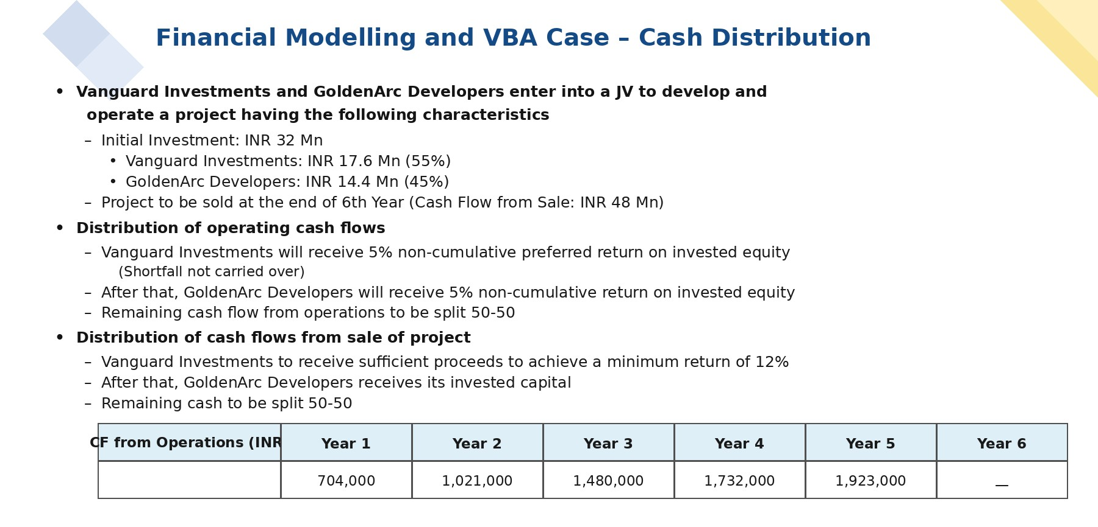
Cover Page of Assignment Question

